Board_Exp
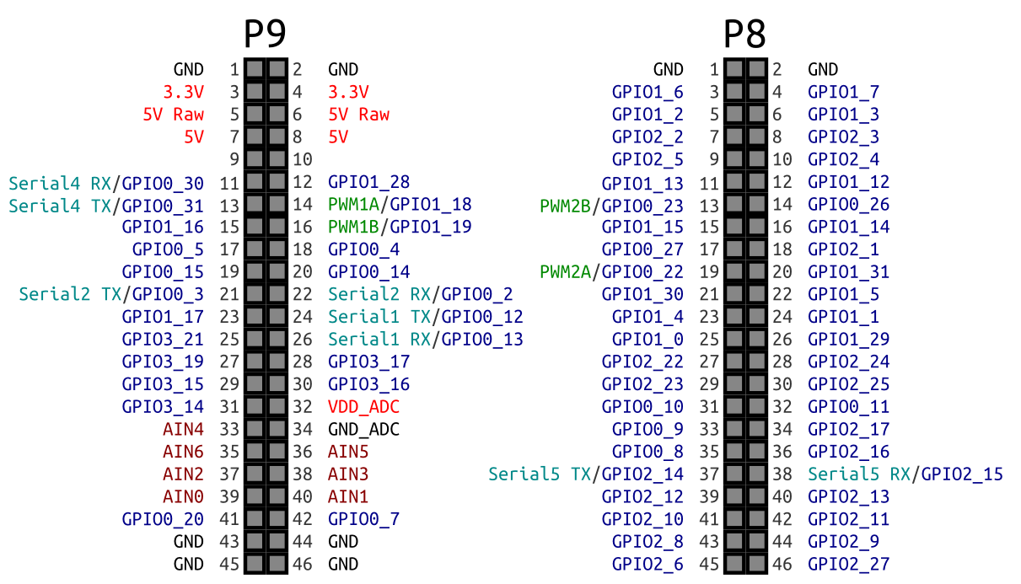
 |  | Arm cortex A8

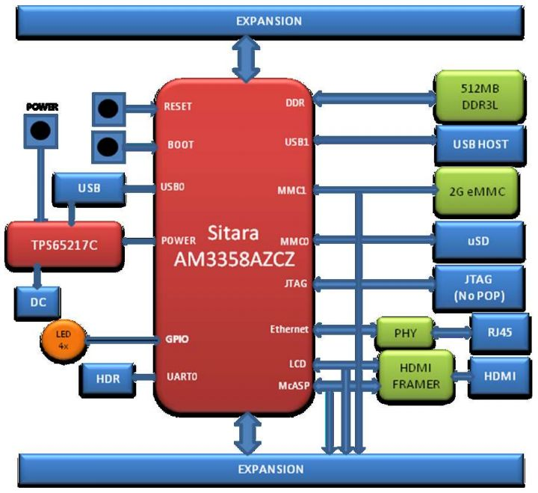
 |  |  |  |  |  | Descriptoin
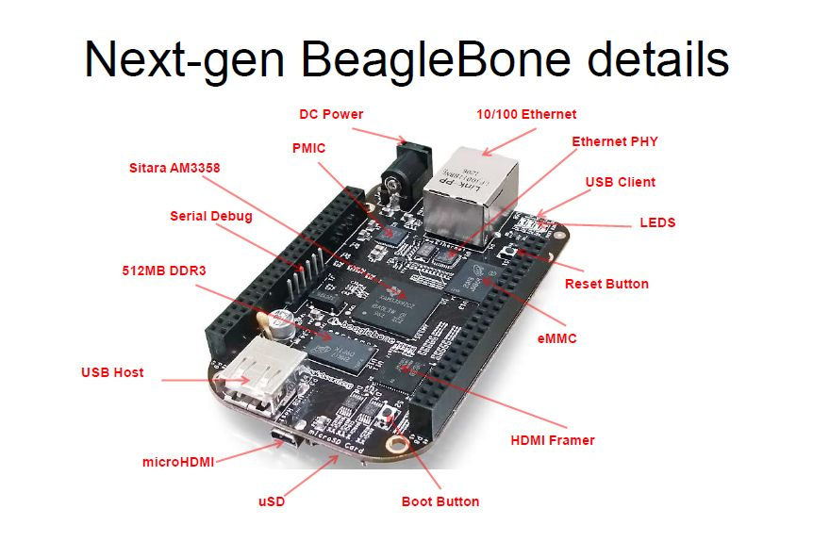
 |  |  |  |  | 1

Booting Procedure

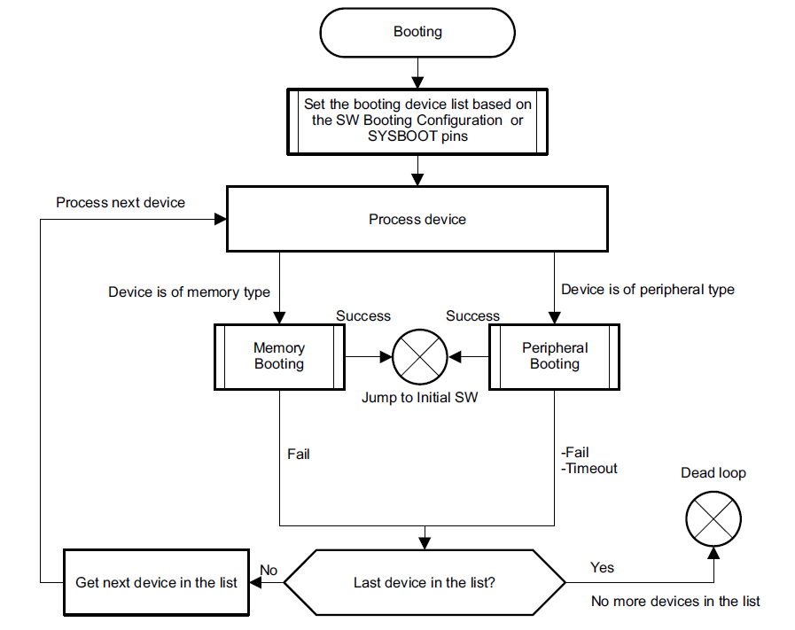
 |  |  |  | Sites:- http://processors.wiki.ti.com/index.php/The_Boot_Process

 |  |  | 1. ROM code

 |  |  |  | ROM code is the first block of code which is run durin gthe system start up, during power ion reset

 |  |  |  | ROM code has two main tasks

 |  |  |  | Configuration of devices and initialize the pheriperal

 |  |  |  | Ready device for next bootloder

 |  |  | 2. SPL

 |  |  | 3. U-BOOT

 |  |  | http://vegetableavenger.blogspot.in/2013/12/beagleboen-black-io-library-mmap.html

 | http://elinux.org/Beagleboard:Cape_Expansion_Headers

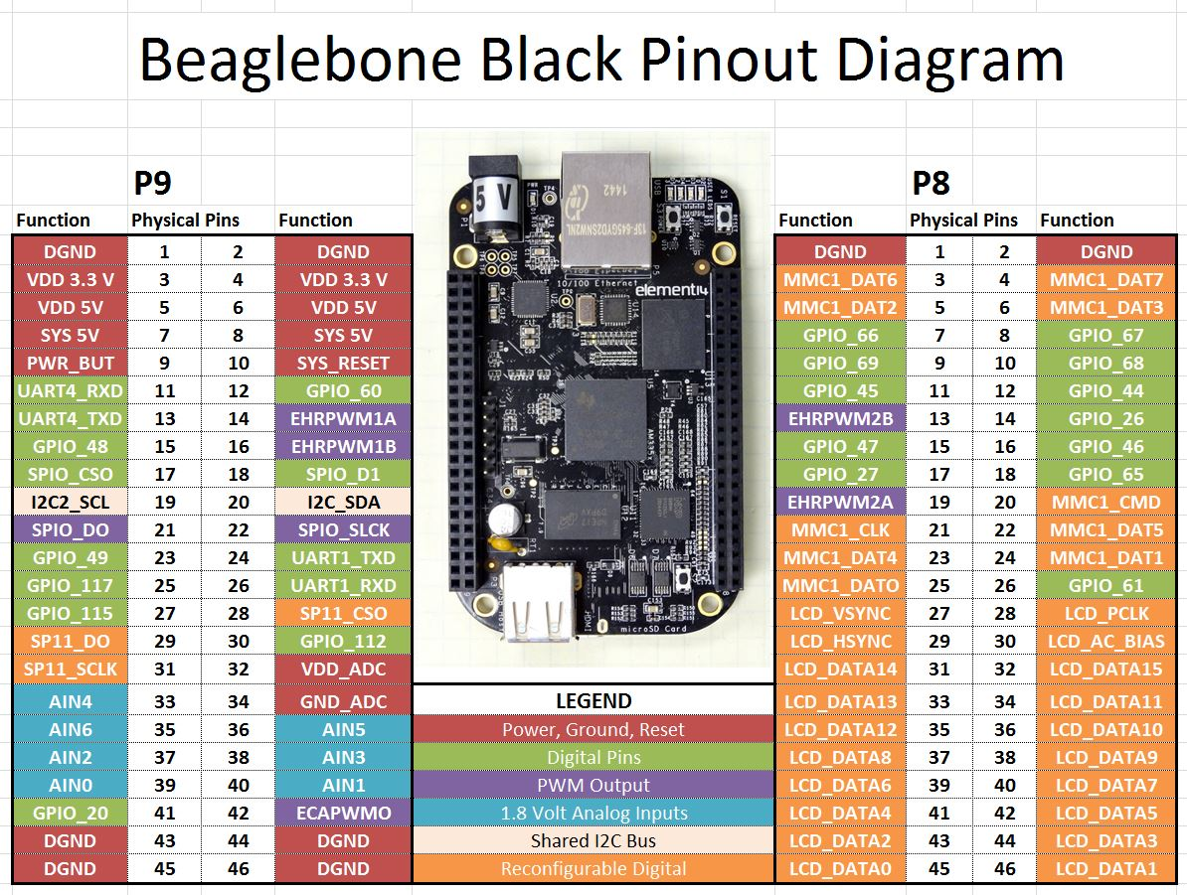

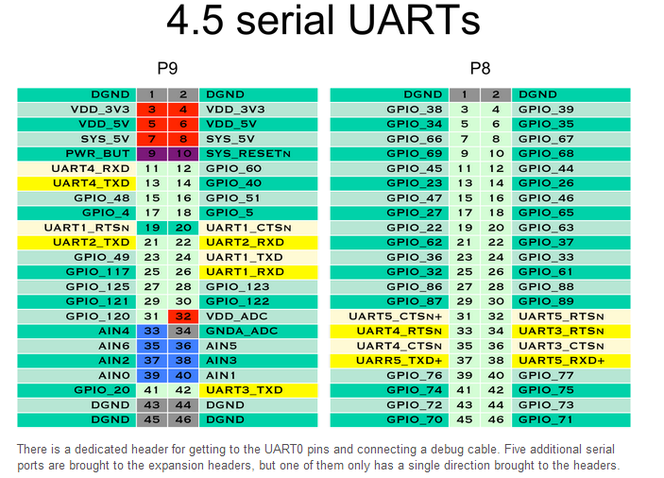

PRU:--- http://mythopoeic.org/bbb-pru-minimal/

GPIO

http://tara.mmto.org/bbb/hardware/expansion/

System_outline
 | http://processors.wiki.ti.com/index.php/AM335x_Industrial_Communication_Engine_EVM_Rev2_1_HW_User_Guide

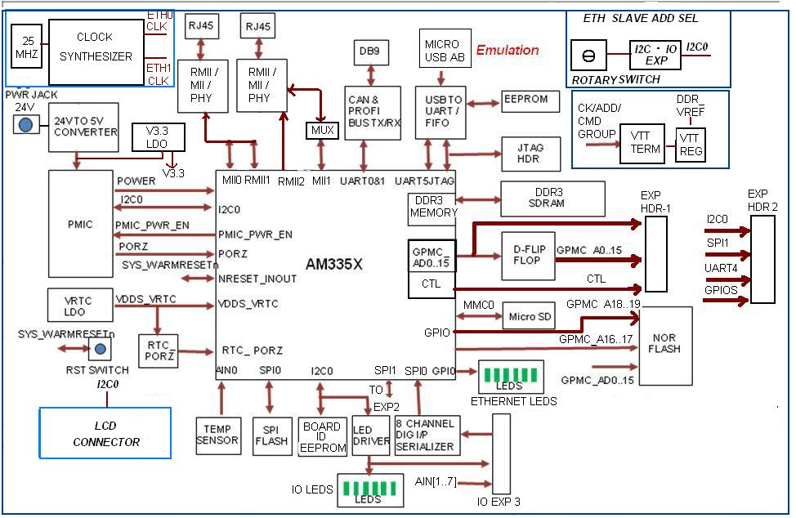

Technical reference manual

http://phytec.com/wiki/images/7/72/AM335x_techincal_reference_manual.pdf

